Dala Sales & Deliveries
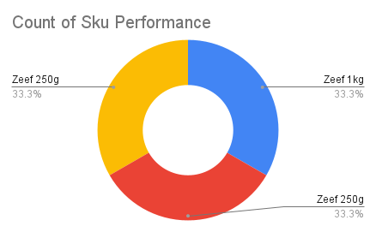
 | Total Invoices Delivered | 1.00 | Sku Performance | Units | Value
 | Unique Locations Supplied | 1.00 | Zeef 1kg Groundrice Flour (12x) | 0.00 | 0.00
 | Total Value of orders | 20,651.17 | Zeef 250g Blended Locust Beans (12x) | 0.00 | 0.00
 |  |  | Zeef 250g Locust Beans (12x) | 0.50 | 20,651.17
 |  |  |  | 0.00 | 0.00
 |  |  |  | 0.00 | 0.00
 |  |  |  | 0.00 | 0.00
 |  |  |  | 0.00 | 0.00
 |  |  |  | 0.00 | 0.00
 |  |  |  | 0.00 | 0.00
 |  |  |  | 0.00 | 0.00
2025-04-11 |  |  |  | 0.00 | 0.00
 |  |  |  | 0.00 | 0.00

